Step 1.8
Frequency | vm(vout) | ph(v(vout))
Hz | Volts | deg
1 | 0.15033446145 | -0.038132862218 | Sample screenshot for the settings
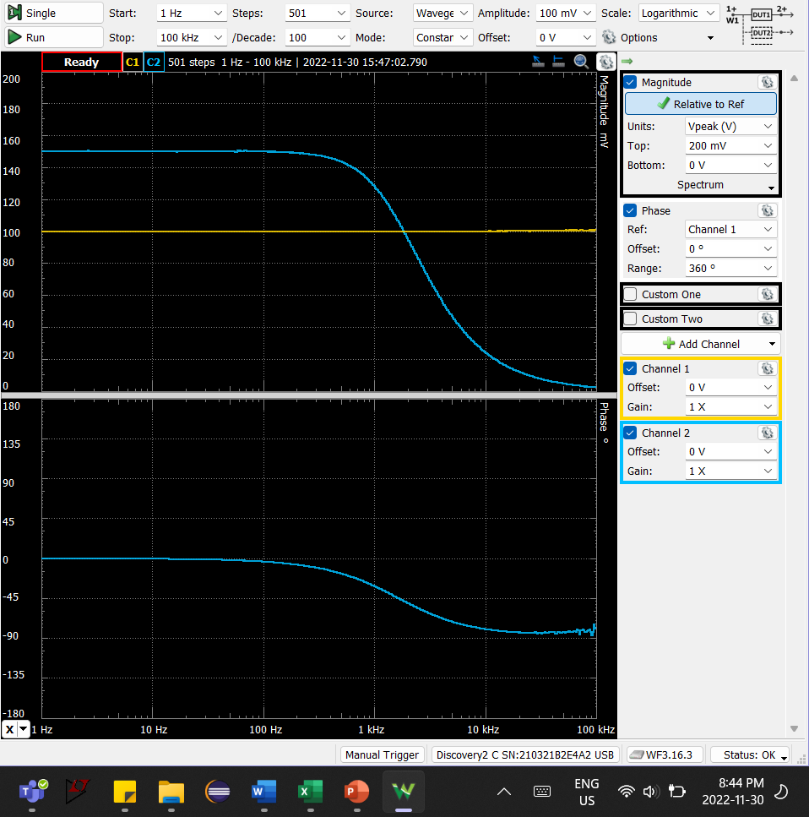
1.0232929923 | 0.15032842591 | -0.037772309844
1.0471285481 | 0.15033806677 | -0.035069565022
1.0715193052 | 0.15034877337 | -0.037835192859
1.0964781961 | 0.150327621 | -0.044274161628
1.1220184543 | 0.15033945607 | -0.038831218361
1.1481536215 | 0.15032842871 | -0.039908478843
1.1748975549 | 0.15031588019 | -0.042358648602
1.2022644346 | 0.15033487485 | -0.044369952365
1.2302687708 | 0.15035247774 | -0.048572125041
1.2589254118 | 0.15030435461 | -0.043150436262
1.2882495517 | 0.15032720253 | -0.047683845466
1.3182567386 | 0.15035372091 | -0.047243880663
1.3489628826 | 0.15030850986 | -0.053421460773
1.3803842646 | 0.15030850657 | -0.05337396756
1.4125375446 | 0.15032163457 | -0.054926927872
1.4454397707 | 0.15032369799 | -0.044752768665
1.4791083882 | 0.15033056976 | -0.048228218834
1.5135612484 | 0.15031847169 | -0.064193358028
1.5488166189 | 0.15031335199 | -0.042956897376
1.5848931925 | 0.15031260757 | -0.050796890633
1.6218100974 | 0.15032474789 | -0.04954415848
1.6595869074 | 0.15031472748 | -0.058007116853
1.6982436525 | 0.15032899207 | -0.060954130729
1.7378008287 | 0.15031535039 | -0.064900617276
1.77827941 | 0.1503288871 | -0.066382776116
1.8197008586 | 0.15032838095 | -0.074046685454
1.8620871367 | 0.15033309816 | -0.068030379035
1.905460718 | 0.1503066765 | -0.073580462555
1.9498445998 | 0.15032731109 | -0.06994924563
1.995262315 | 0.15031691092 | -0.071299229567
2.0417379447 | 0.1502961049 | -0.07090032595
2.0892961309 | 0.1503383634 | -0.078603289587
2.1379620895 | 0.15031450841 | -0.073160737556
2.1877616239 | 0.15032519084 | -0.079667909582
2.2387211386 | 0.15031103426 | -0.077184194587
2.2908676528 | 0.15035226005 | -0.14844241867
2.3442288153 | 0.15025351166 | -0.08181959663
2.398832919 | 0.15032179898 | -0.086261663456
2.4547089157 | 0.15030945752 | -0.08736411908
2.5118864315 | 0.15032433617 | -0.10035263251
2.5703957828 | 0.15032708948 | -0.094339628932
2.6302679919 | 0.15049671167 | -0.091553374526
2.6915348039 | 0.15033278274 | -0.096408307739
2.7542287033 | 0.15031579097 | -0.093627396768
2.8183829313 | 0.15030440242 | -0.10316697858
2.8840315031 | 0.15027051776 | -0.09920149291
2.9512092267 | 0.15031297523 | -0.10142051481
3.0199517204 | 0.15030908832 | -0.1020898815
3.0902954325 | 0.15031818884 | -0.11371828633
3.1622776602 | 0.15028104093 | -0.12465388854
3.2359365693 | 0.15030320238 | -0.11898875827
3.3113112148 | 0.15033352338 | -0.12391744223
3.3884415614 | 0.15032944596 | -0.12055213529
3.4673685045 | 0.15021744712 | -0.10857479207
3.5481338923 | 0.15028642251 | -0.12693869265
3.6307805477 | 0.15030098958 | -0.12173357191
3.715352291 | 0.15033262216 | -0.13530349176
3.8018939632 | 0.1503870145 | -0.162714728
3.8904514499 | 0.15032000575 | -0.12157461491
3.9810717055 | 0.15032697462 | -0.14201038448
4.073802778 | 0.15032971783 | -0.14443274752
4.1686938347 | 0.15032686866 | -0.18122416011
4.265795188 | 0.15027609753 | -0.16316846963
4.3651583224 | 0.1503167841 | -0.15187869698
4.4668359215 | 0.15031498193 | -0.15082346325
4.5708818961 | 0.1503411072 | -0.1613306281
4.6773514129 | 0.15032268762 | -0.16858455831
4.7863009232 | 0.15032629037 | -0.17013648203
4.8977881937 | 0.15030190133 | -0.17324218819
5.0118723363 | 0.15032622572 | -0.17884131067
5.1286138399 | 0.15029472705 | -0.17053837989
5.2480746025 | 0.1503041806 | -0.17332930942
5.3703179637 | 0.15029072771 | -0.17739368803
5.4954087386 | 0.15029806855 | -0.19340492876
5.6234132519 | 0.15029122802 | -0.19845714504
5.7543993734 | 0.15031576544 | -0.19500688362
5.8884365536 | 0.15028915152 | -0.20025161518
6.0255958607 | 0.15030356528 | -0.21302799118
6.1659500186 | 0.15028718649 | -0.21978197186
6.3095734448 | 0.15029997301 | -0.2183736781
6.4565422903 | 0.15030861678 | -0.22310353271
6.6069344801 | 0.15030150257 | -0.22462593031
6.7608297539 | 0.15030452819 | -0.24374994772
6.9183097092 | 0.15026879998 | -0.24395498555
7.0794578438 | 0.15028546032 | -0.25067497118
7.2443596007 | 0.1502906258 | -0.25094879544
7.413102413 | 0.15029621025 | -0.26408986608
7.5857757503 | 0.150293305 | -0.27024471319
7.7624711663 | 0.15031993389 | -0.27747536591
7.9432823472 | 0.15030236424 | -0.27657507443
8.1283051616 | 0.15027296415 | -0.28204456616
8.317637711 | 0.15032618267 | -0.28446571019
8.511380382 | 0.15030254531 | -0.30912739944
8.7096358996 | 0.15029824549 | -0.30064719025
8.9125093813 | 0.1503058818 | -0.309994997
9.1201083936 | 0.15031005592 | -0.31357318817
9.332543008 | 0.15030986707 | -0.33383886049
9.5499258602 | 0.15030833129 | -0.34177959601
9.7723722096 | 0.15030533995 | -0.36098357201
10 | 0.15030707201 | -0.34724057014
10.232929923 | 0.15030831846 | -0.35940334108
10.471285481 | 0.15032094754 | -0.36545613955
10.715193052 | 0.15032554074 | -0.38407088707
10.964781961 | 0.15031742473 | -0.36852364807
11.220184543 | 0.15030782562 | -0.38542416377
11.481536215 | 0.15030035959 | -0.39658576048
11.748975549 | 0.15030385263 | -0.41937592579
12.022644346 | 0.15028939021 | -0.41631918616
12.302687708 | 0.15029375601 | -0.41801021707
12.589254118 | 0.15027400752 | -0.44496452473
12.882495517 | 0.15029956108 | -0.45053365925
13.182567386 | 0.1503086677 | -0.46370698092
13.489628826 | 0.15027560479 | -0.46834692037
13.803842646 | 0.15030981878 | -0.47044982056
14.125375446 | 0.15030817494 | -0.49945378413
14.454397707 | 0.15029675126 | -0.50904556135
14.791083882 | 0.15030337299 | -0.51538398325
15.135612484 | 0.1502918125 | -0.53179201723
15.488166189 | 0.15029921291 | -0.55108247672
15.848931925 | 0.15031349831 | -0.55774574214
16.218100974 | 0.15029071698 | -0.57836953519
16.595869074 | 0.14945240257 | -0.63143021678
16.982436525 | 0.15031087923 | -0.60788023078
17.378008287 | 0.150288819 | -0.61798486204
17.7827941 | 0.15025867847 | -0.62024683043
18.197008586 | 0.15032335036 | -0.63358917491
18.620871367 | 0.15027581283 | -0.66393761029
19.05460718 | 0.15024462361 | -0.66893135757
19.498445998 | 0.15024705114 | -0.69676203574
19.95262315 | 0.15026587001 | -0.6895185227
20.417379447 | 0.15031222785 | -0.71850585319
20.892961309 | 0.15032116433 | -0.74031445095
21.379620895 | 0.15026524691 | -0.76647620641
21.877616239 | 0.15028204599 | -0.75281189576
22.387211386 | 0.15030478067 | -0.76841185148
22.908676528 | 0.1502969279 | -0.79479634631
23.442288153 | 0.15027946159 | -0.81935839264
23.98832919 | 0.15027299771 | -0.83604613909
24.547089157 | 0.15028501543 | -0.85297124787
25.118864315 | 0.15032227959 | -0.88551366918
25.703957828 | 0.15026025351 | -0.89848364831
26.302679919 | 0.15027548461 | -0.92004906774
26.915348039 | 0.15032020478 | -0.9377233079
27.542287033 | 0.15025255762 | -0.95516682621
28.183829313 | 0.15028241846 | -0.98001388339
28.840315031 | 0.15024758659 | -1.0240563114
29.512092267 | 0.15026296162 | -1.0443738774
30.199517204 | 0.15025905613 | -1.0431150049
30.902954325 | 0.15025923035 | -1.0899220863
31.622776602 | 0.15025839766 | -1.1150334278
32.359365693 | 0.15027622124 | -1.1318644776
33.113112148 | 0.15024662896 | -1.1541744853
33.884415614 | 0.15024215698 | -1.1749885352
34.673685045 | 0.15027798467 | -1.2165582027
35.481338923 | 0.15023963197 | -1.222381872
36.307805477 | 0.15026455669 | -1.282749422
37.15352291 | 0.15027463663 | -1.2954693109
38.018939632 | 0.15018991775 | -1.3374404325
38.904514499 | 0.15027231307 | -1.3822306311
39.810717055 | 0.15024543989 | -1.413931857
40.73802778 | 0.15025658126 | -1.4060846678
41.686938347 | 0.15027902043 | -1.4186812811
42.65795188 | 0.15027360873 | -1.4862899038
43.651583224 | 0.15022695316 | -1.5322137758
44.668359215 | 0.15020485921 | -1.5636519158
45.708818961 | 0.15027857713 | -1.5750677019
46.773514129 | 0.1502587952 | -1.6280562921
47.863009232 | 0.15021424124 | -1.6657819549
48.977881937 | 0.15021019004 | -1.727523955
50.118723363 | 0.15015830366 | -1.7410907462
51.286138399 | 0.15013897571 | -1.783424647
52.480746025 | 0.15030678308 | -1.7854608268
53.703179637 | 0.14999872135 | -1.8181541027
54.954087386 | 0.15032513733 | -1.7829277857
56.234132519 | 0.14984455937 | -2.0289682099
57.543993734 | 0.14981506815 | -2.0099959704
58.884365536 | 0.15060553443 | -2.006999738
60.255958607 | 0.15033217491 | -1.9896650322
61.659500186 | 0.1505748724 | -2.2367588028
63.095734448 | 0.15022152246 | -2.0738773432
64.565422903 | 0.15024725691 | -2.1284366868
66.069344801 | 0.15023342034 | -2.4497465403
67.608297539 | 0.1504747049 | -2.3490377191
69.183097092 | 0.1504095864 | -2.4628145023
70.794578438 | 0.14998487002 | -2.4363906387
72.443596007 | 0.15001367212 | -2.5639228085
74.13102413 | 0.15006502549 | -2.5667865146
75.857757503 | 0.15013344259 | -2.6409587345
77.624711663 | 0.150119968 | -2.702140897
79.432823472 | 0.15002712817 | -2.8267407655
81.283051616 | 0.1500591612 | -2.8109869411
83.17637711 | 0.15001961258 | -2.8986883584
85.11380382 | 0.15009400512 | -2.9471218347
87.096358996 | 0.1500104011 | -3.064237137
89.125093813 | 0.15002681038 | -3.1311955653
91.201083936 | 0.15003846211 | -3.1444046572
93.32543008 | 0.14997416845 | -3.2275426026
95.499258602 | 0.15006752115 | -3.2999600623
97.723722096 | 0.15000801698 | -3.3943389429
100 | 0.14997236618 | -3.4971386187
102.32929923 | 0.14994283705 | -3.5333875639
104.71285481 | 0.14998812386 | -3.6029057168
107.15193052 | 0.14989224094 | -3.7500818793
109.64781961 | 0.14983974585 | -3.79361685
112.20184543 | 0.14994551506 | -3.9256569702
114.81536215 | 0.149983501 | -4.000394412
117.48975549 | 0.14981915112 | -4.0753633317
120.22644346 | 0.14990230544 | -4.2037016196
123.02687708 | 0.149770117 | -4.2508894547
125.89254118 | 0.14987553983 | -4.3860096778
128.82495517 | 0.14984373596 | -4.5144604811
131.82567386 | 0.1497483456 | -4.5772533111
134.89628826 | 0.14973114187 | -4.6891769557
138.03842646 | 0.14971485842 | -4.7940820312
141.25375446 | 0.14967710117 | -4.9286106893
144.54397707 | 0.14968805334 | -5.0347206199
147.91083882 | 0.14962168525 | -5.1563288343
151.35612484 | 0.14958459608 | -5.3095274178
154.88166189 | 0.14960966354 | -5.393087306
158.48931925 | 0.14951502336 | -5.475250724
162.18100974 | 0.14953150956 | -5.6314312788
165.95869074 | 0.14956389865 | -5.7823065623
169.82436525 | 0.14947931688 | -5.8443034266
173.78008287 | 0.14928235848 | -6.0074089471
177.827941 | 0.14920508083 | -6.1793709084
181.97008586 | 0.14936474636 | -6.3144251122
186.20871367 | 0.14931914977 | -6.4286615262
190.5460718 | 0.14923233459 | -6.5972071847
194.98445998 | 0.14923147782 | -6.7491881052
199.5262315 | 0.14909819104 | -6.9042259932
204.17379447 | 0.14909313104 | -7.0582432222
208.92961309 | 0.14893373022 | -7.2595527604
213.79620895 | 0.14875995697 | -7.4183810766
218.77616239 | 0.14899623468 | -7.6003449473
223.87211386 | 0.14888380563 | -7.7294131884
229.08676528 | 0.14871234462 | -7.9167244495
234.42288153 | 0.14875746567 | -8.0869171441
239.8832919 | 0.1486150663 | -8.2659839708
245.47089157 | 0.14865369195 | -8.4687533949
251.18864315 | 0.14842315242 | -8.6729144934
257.03957828 | 0.14844854465 | -8.8615349649
263.02679919 | 0.14826135102 | -9.0835121364
269.15348039 | 0.148205666 | -9.2759268929
275.42287033 | 0.14812431597 | -9.4790249958
281.83829313 | 0.14812622351 | -9.6587812116
288.40315031 | 0.14786078549 | -9.9302414978
295.12092267 | 0.14784940979 | -10.134334299
301.99517204 | 0.14770343583 | -10.373393522
309.02954325 | 0.147548507 | -10.646269188
316.22776602 | 0.14748092424 | -10.871309204
323.59365693 | 0.14733453098 | -11.106738482
331.13112148 | 0.14732728184 | -11.392021698
338.84415614 | 0.14708301987 | -11.599936908
346.73685045 | 0.1469175431 | -11.865833691
354.81338923 | 0.14673790019 | -12.190178553
363.07805477 | 0.14661530639 | -12.411947494
371.5352291 | 0.14650147919 | -12.693088446
380.18939632 | 0.14636607323 | -12.985337361
389.04514499 | 0.14612377449 | -13.276836187
398.10717055 | 0.1460168193 | -13.524775258
407.3802778 | 0.14577052686 | -13.876191054
416.86938347 | 0.14557580647 | -14.187276335
426.5795188 | 0.145347056 | -14.484006364
436.51583224 | 0.14516191052 | -14.830077103
446.68359215 | 0.14492762769 | -15.145355334
457.08818961 | 0.14466328559 | -15.463683651
467.73514129 | 0.14444020609 | -15.816338837
478.63009232 | 0.14421561525 | -16.156160721
489.77881937 | 0.14389622598 | -16.527954996
501.18723363 | 0.14361512543 | -16.898017626
512.86138399 | 0.14331840865 | -17.231419772
524.80746025 | 0.14303612824 | -17.63177069
537.03179637 | 0.14278047055 | -17.99760895
549.54087386 | 0.14245196981 | -18.423304743
562.34132519 | 0.14211163134 | -18.808029879
575.43993734 | 0.14166332725 | -19.219649281
588.84365536 | 0.14135835573 | -19.627108769
602.55958607 | 0.14098800913 | -20.047977448
616.59500186 | 0.14053053564 | -20.434051227
630.95734448 | 0.14015333319 | -20.895889304
645.65422903 | 0.13979996707 | -21.320257116
660.69344801 | 0.13932072136 | -21.772968417
676.08297539 | 0.13888873714 | -22.230550894
691.83097092 | 0.13845262743 | -22.662496642
707.94578438 | 0.13791765241 | -23.173831336
724.43596007 | 0.13741918837 | -23.656257077
741.3102413 | 0.1368544341 | -24.12041601
758.57757503 | 0.13635687325 | -24.638722542
776.24711663 | 0.13585611204 | -25.134519785
794.32823472 | 0.13522069991 | -25.636084768
812.83051616 | 0.13462997618 | -26.152418939
831.7637711 | 0.13398533007 | -26.682170278
851.1380382 | 0.13335072839 | -27.204586454
870.96358996 | 0.13266145158 | -27.741249319
891.25093813 | 0.13197467738 | -28.304854969
912.01083936 | 0.13129838047 | -28.859411927
933.2543008 | 0.13058595803 | -29.391392057
954.99258602 | 0.12988533653 | -29.968487511
977.23722096 | 0.12905591286 | -30.510994857
1000 | 0.12830522406 | -31.102802572
1023.2929923 | 0.12748481001 | -31.69074591
1047.1285481 | 0.12664490799 | -32.268619195
1071.5193052 | 0.12582301714 | -32.856949573
1096.4781961 | 0.1249538401 | -33.462534623
1122.0184543 | 0.12404955055 | -34.062459526
1148.1536215 | 0.12318218098 | -34.668940332
1174.8975549 | 0.12225244288 | -35.300122422
1202.2644346 | 0.12127266375 | -35.892231784
1230.2687708 | 0.12027807154 | -36.548744697
1258.9254118 | 0.11930594885 | -37.168672914
1288.2495517 | 0.11823782005 | -37.80479113
1318.2567386 | 0.1171813053 | -38.417190128
1348.9628826 | 0.11613759647 | -39.080823741
1380.3842646 | 0.11506631671 | -39.717669509
1412.5375446 | 0.1139528042 | -40.344749472
1445.4397707 | 0.11276955055 | -41.000781509
1479.1083882 | 0.11163614576 | -41.655659142
1513.5612484 | 0.11052538233 | -42.303664808
1548.8166189 | 0.10932841687 | -42.96130184
1584.8931925 | 0.10816742012 | -43.587434327
1621.8100974 | 0.10697732848 | -44.263102356
1659.5869074 | 0.10577610149 | -44.905927149
1698.2436525 | 0.10450148992 | -45.537173509
1737.8008287 | 0.10331805707 | -46.204053247
1778.27941 | 0.10206330866 | -46.854056325
1819.7008586 | 0.10078253422 | -47.502943357
1862.0871367 | 0.099512959688 | -48.137712761
1905.460718 | 0.098234188507 | -48.844610462
1949.8445998 | 0.096943121826 | -49.459574579
1995.262315 | 0.095656596401 | -50.081785559
...

Step 2.2
Transfer Function of 2nd-Order Low-Pass Filter
1.00E+00 | 6.02E+00
1.02E+00 | 6.02E+00
1.05E+00 | 6.02E+00
1.07E+00 | 6.02E+00
1.10E+00 | 6.02E+00
1.12E+00 | 6.02E+00
1.15E+00 | 6.02E+00
1.17E+00 | 6.02E+00
1.20E+00 | 6.02E+00
1.23E+00 | 6.02E+00
1.26E+00 | 6.02E+00
1.29E+00 | 6.02E+00
1.31E+00 | 6.02E+00
1.34E+00 | 6.02E+00
1.38E+00 | 6.02E+00
1.41E+00 | 6.02E+00
1.44E+00 | 6.02E+00
1.47E+00 | 6.02E+00
1.51E+00 | 6.02E+00
1.54E+00 | 6.02E+00
1.58E+00 | 6.02E+00
1.61E+00 | 6.02E+00
1.65E+00 | 6.02E+00
1.69E+00 | 6.02E+00
1.73E+00 | 6.02E+00
1.77E+00 | 6.02E+00
1.81E+00 | 6.02E+00
1.85E+00 | 6.02E+00
1.89E+00 | 6.02E+00
1.94E+00 | 6.02E+00
1.98E+00 | 6.02E+00
2.03E+00 | 6.02E+00
2.07E+00 | 6.02E+00
2.12E+00 | 6.02E+00
2.17E+00 | 6.02E+00
2.22E+00 | 6.02E+00
2.27E+00 | 6.02E+00
2.32E+00 | 6.02E+00
2.38E+00 | 6.02E+00
2.43E+00 | 6.02E+00
2.49E+00 | 6.02E+00
2.55E+00 | 6.02E+00
2.61E+00 | 6.02E+00
2.67E+00 | 6.02E+00
2.73E+00 | 6.02E+00
2.79E+00 | 6.02E+00
2.85E+00 | 6.02E+00
2.92E+00 | 6.02E+00
2.99E+00 | 6.02E+00
3.06E+00 | 6.02E+00
...
Frequency | db(v(vout)) | ph(v(vout))
Hz | dBV | deg
1.00E+00 | 6.02E+00 | -1.23E-01
1.02E+00 | 6.02E+00 | -1.25E-01
1.05E+00 | 6.02E+00 | -1.28E-01
1.07E+00 | 6.02E+00 | -1.31E-01
1.10E+00 | 6.02E+00 | -1.34E-01
1.12E+00 | 6.02E+00 | -1.37E-01
1.15E+00 | 6.02E+00 | -1.41E-01
1.17E+00 | 6.02E+00 | -1.44E-01
1.20E+00 | 6.02E+00 | -1.47E-01
1.23E+00 | 6.02E+00 | -1.51E-01
1.26E+00 | 6.02E+00 | -1.54E-01
1.29E+00 | 6.02E+00 | -1.58E-01
1.31E+00 | 6.02E+00 | -1.61E-01
1.34E+00 | 6.02E+00 | -1.65E-01
1.38E+00 | 6.02E+00 | -1.69E-01
1.41E+00 | 6.02E+00 | -1.73E-01
1.44E+00 | 6.02E+00 | -1.77E-01
1.47E+00 | 6.02E+00 | -1.81E-01
1.51E+00 | 6.02E+00 | -1.85E-01
1.54E+00 | 6.02E+00 | -1.89E-01
1.58E+00 | 6.02E+00 | -1.93E-01
1.61E+00 | 6.02E+00 | -1.98E-01
1.65E+00 | 6.02E+00 | -2.03E-01
1.69E+00 | 6.02E+00 | -2.07E-01
1.73E+00 | 6.02E+00 | -2.12E-01
1.77E+00 | 6.02E+00 | -2.17E-01
1.81E+00 | 6.02E+00 | -2.22E-01
1.85E+00 | 6.02E+00 | -2.27E-01
1.89E+00 | 6.02E+00 | -2.32E-01
1.94E+00 | 6.02E+00 | -2.38E-01
1.98E+00 | 6.02E+00 | -2.43E-01
2.03E+00 | 6.02E+00 | -2.49E-01
2.07E+00 | 6.02E+00 | -2.54E-01
2.12E+00 | 6.02E+00 | -2.60E-01
2.17E+00 | 6.02E+00 | -2.66E-01
...

